pivot zzsd TT
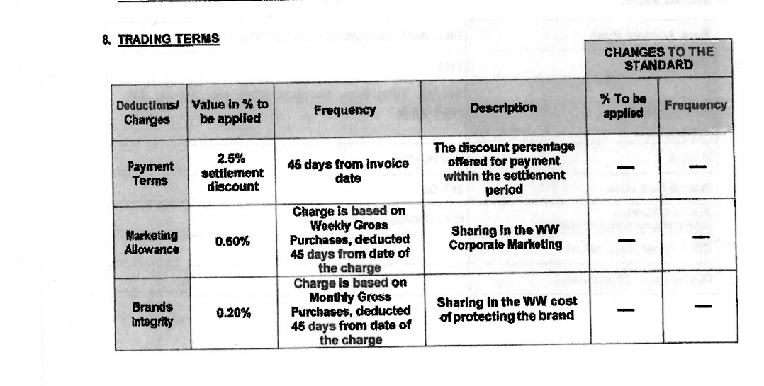

Row Labels | Average of Percentage
MWST | 15
Output Tax | 15
VPRS | 0
Internal price | 0
Z800 | 0
List Price | 0
Z870 | 0
Manual Field Discoun | 0
Z872 | 0
TFI Manual discount | 0
Z910 | -5
Trade Rebate Accrual | -5 | 5
Z922 | -0.7
No Returns Accruals | -0.7 | 0.7
Z923 | -2.2
Advance Logistic Acc | -2.2 | 2.2
Z924 | -1.5
No Rejections Accrua | -1.5 | 1.5
Z928 | -5.3
Merch.&Shelf S Accru | -5.3 | 5.3
Z950 | -2.5
Payment Terms Accrua | -2.5 | 2.5
Z952 | -0.2
DSA Hotzone Accrual | -0.2 | 0.2
Z953 | -0.6
DSA Display | -0.6 | 0.6
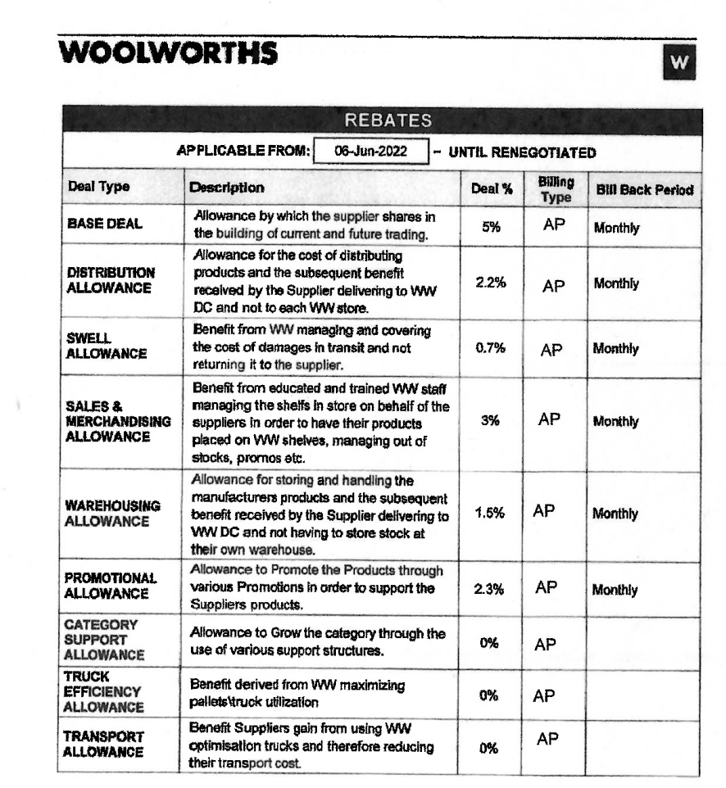
ZATP | 90
Minimum Conf Value | 90
Grand Total | 6.2142857143 | 18

